1. Title Page
[Project Name]

Project Name: Instacart Basket Analysis
Date: 16.6.2023
Analyst Name: Shikha Pathak

Contents:
Population Flow
Consistency checks
Wrangling steps
Column derivations
Visualizations
Recommendations

2. Population Flow
0 | Title page

Population flow

Exclusion flag
Condition: max_order <
Obervations to be removed:
Final total count of order_products_all:

Orders_products_combined
Orders_products_merged
Orders_products_all

Total:
Total:
Total:

1.) The grey boxes in the first row of the population flow represent the original data sets as they were when you downloaded them. In the Total fields you need to add the count of the rows when you imported the data set into Jupyter.
2.) The second row of boxes (coloured) represents the data sets after you manipulated them, e.g., removed missing values and duplicates. In the Total fields you need to add the count of the rows after conducting these operations. This offers a visual oveview of how the data flows throughout the data consistency checks.
3.) The third row, where also the arrows are coloured, represents the merges you performed between the datasets. In the Total fields you need to add the count of the rows in the merged datasets, so that you end up with the final dataset (in the red box). Keep in mind the final dataset should be without exclusions (based on the exclusion flag).

3. Consistency checks
 |  |  |  | Title page
Consistency checks

Dataset | Missing values | Missing values treatment | Duplicates
orders | 206209 missing values were found. | No changes. These were first time order. | No duplicates.
products | 16 missing values were found. | I removed these records. | 5 duplicates were found and removed.
orders_products_prior | No missing values were found |  | no duplicates
customers | No missing values were found |  | No duplicates

4. Wrangling steps
 |  |  |  | Title page
Wrangling steps

Columns dropped | Columns renamed | Columns' type changed | Comment/Reason
eval_set' from orders |  |  | data was not relevant for analysis
 | orders_dow' to 'orders_day_of_week' from orders |  | renamed so that it can be more discriptive
 |  | order_id' into string from orders | changed from int64 to str, to optimize calculation like describe()
 |  | user_id' into string from orders | changed from int64 to str, to optimize calculation like describe()
 | days_sice_prior_order' to 'days_since_last_order' from orders |  | renamed so that it can be more discriptive
Unnamed: 0 from orders |  |  | data was not relevant for analysis
 | Surnam' to last_name from customer |  | renamed so that it can be more discriptive
 | n_dependants' to 'number_of_dependants' from customer |  | renamed so that it can be more discriptive
 | fam_status' to 'marital_status' from customer |  | renamed so that it can be more discriptive
 | Gender' to 'gender' from customer |  | renamed so that it can be more discriptive
 | STATE' to 'state' from customer |  | renamed so that it can be more discriptive
 | Age' to 'age' from customer |  | renamed so that it can be more discriptive
first_name' |  |  | for security concerns since it contains PII
last_name' |  |  | for security concerns since it contains PII

5. Column derivations
 |  |  |  |  | Title page

Column derivations and aggregations

In this tab you should add tables below that the frequences of flags/label variables that you produced after deriving them. NB: don't do this for continuous variables, only for flags.
Dataset | New column | Column/s it was derived from | Conditions | Frequency
orders_products_merged | price_range_loc | prices | prices<=15&prices>5:'Mid range product' | Mid range product 21860860
 |  |  | prices<=5:'Low range product' | Low range product 10126321
 |  |  | prices>15:'High range product' | High range product 417678
orders_products_merged | busiest_day | orders_day_of_week | if value==4 | Regularly busy 22416875
 |  |  | if value==0 | Busiest day 6204182
 |  |  | else | Least busy 3783802
orders_products_merged | busiest_days | orders_day_of_week | else | Regular days 12916111
 |  |  | if 0or1 | Busiest days 11864412
 |  |  | if 4 or 3 | Slowest days 7624336
orders_products_merged | busiest_period_of_day | order_hour_of_day | if hour in 10,11,14,15,13,12,16,9 | Most orders 21118071
 |  |  | if hour in 17,8,18,19,20,7,21,22 | Average orders 9997651
 |  |  | else | Fewest orders 1289137
orders_products_merged | loyalty_flag | max_order | max_order is <=40 &>10 | Regular Customer 15876776
 |  |  | max_order>40 | Loyal Customer 10284093
 |  |  | max_order<=10 | New Customer 6243990
orders_products_merged | spending_flag | avg_price | avg_price<10 | Low Spender 31770614
 |  |  | avg_price>=10 | High Spender 634245
orders_products_merged | customer | median_frequency | median_frequency<=10 | Frequent customer 21559853
 |  |  | median_frequency>10&median_frequency<=20 | Regular customer 7208564
 |  |  | median_frequency>20 | Non frequent customer 3636437
customers_merged | region | state |  | South 10791885
 |  |  |  | West 8292913
 |  |  |  | Midwest 7597325
 |  |  |  | Northeast 5722736
customers_merged | activity_of_customer | max_order | max_order>=5 | High order customer 30964564
 |  |  | max_order<5 | Low order customer 1440295
customers_merged | age_flag | age | age<=65&age<=40 | Middle-age 12646712
 |  |  | age<=40 | Young adult 11670046
 |  |  | age>65 | Senior 8088101
customers_merged | income_flag | income | income<=120k & income>50k | Middle income 19239676
 |  |  | income>120k | High income 9571100
 |  |  | income<=50k | Low income 3594083
customers_merged | family_flag | total_depandants | total_depandants!=0 | Family 24307356
 |  |  | total_depandants==0 | Single 8097503

6. Visualizations
 |  |  |  |  | Title page

Visualisations
Visualisations

In this tab you should include all the visualtions from Exercises 4.9 and 4.10, alongside the questions from the project brief that they answer. Include any commentary on the relationship between different variables.

1. What are the busiest days of the week and busiest hours of the day??



 |  |  | This bar plot shows here the number of orders (y-axis) per day of the week(x-axis).
 |  |  | 0=Saturday
 |  |  | 1=Sunday
 |  |  | 2=Monday
 |  |  | 3=Tuesday
 |  |  | 4=Wednesday
 |  |  | 5=Thrusday
 |  |  | 6=Friday
 |  |  | It is clearly visible that Saturday, Sunday and Friday are the busiest days of the week.
 |  |  | And days with fewest orders are Wednesday and Tuesday.



 |  |  | The histogram plot shows here number of orders(y-axis) per hours of the day(x-axis).
 |  |  | The busiest time of the day is between 9 to 17. And the slowest time of the day is during early morning time
 |  |  | i.e. between midnight to 7 in the morning time.

2. Are there particular times of the day when people spend the most money?



 |  |  | This line plot here shows the average price of ordered item by the order hour of the day.
 |  |  | There is a fluctuation in peak hour at 4 am and 10 am when people spend little money.
 |  |  | Although the fluctuation is only 1%((7.830-7.750)/7.750) of price. So, I will say, there is no material difference.

3. Instacart has a lot of products with different price tags. Marketing and sales want to use simpler price range groupings to help direct their efforts.
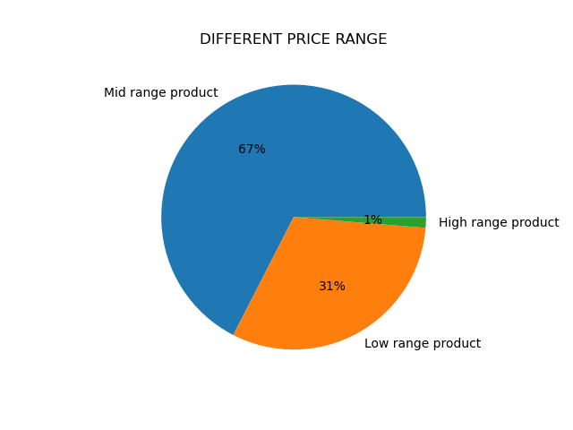

 |  |  | This pie plot shows different price range of products.
 |  |  | prices<=15&prices>5:'Mid range product'
 |  |  | prices<=5:'Low range product'
 |  |  | prices>15:'High range product'
 |  |  | 67 % products falls under mid range product.
 |  |  | There are only 1% percent products which falls under high range product.

4. Are there certain type of products that are popular than others?
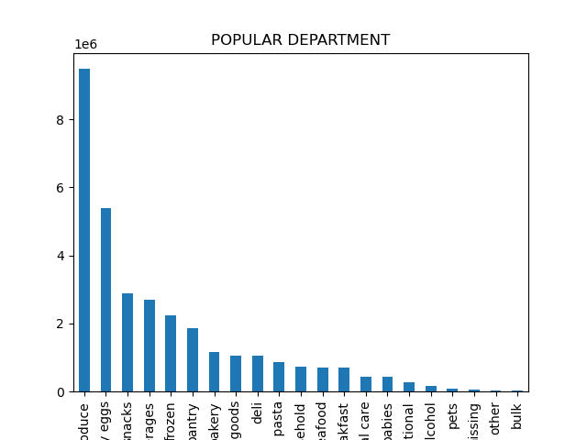

 |  |  |  | This bar plot shows the popular department. It is clearly seen that produce,dairy eggs and snacks are
 |  |  |  | among top three and contributes to 51% to the sales. On the contrary, alcohol, pets, other and bulk are
 |  |  |  | least five departments which contributes to only 1% to the sales.

5.a What’s the distribution among users in regards to their brand loyalty (i.e., how often do they return to Instacart)?

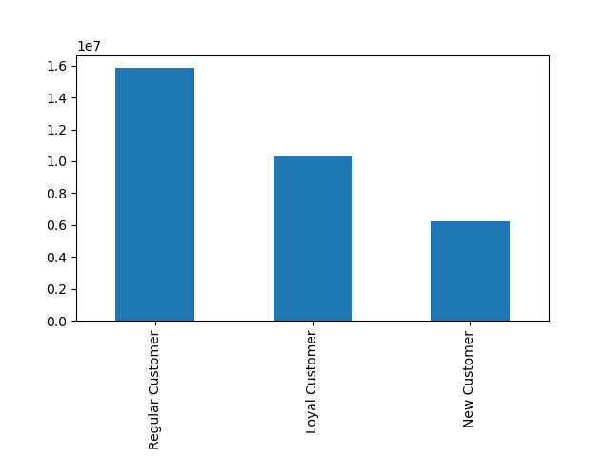

 |  |  |  | The distribution here shows the the customers loyalty.
 |  |  |  | If max_order is <=40 & >10 then Regular customer
 |  |  |  | If max_order>40 then Loyal customer
 |  |  |  | If max_order<=10 then New customer
 |  |  |  | Regular customers make 49% of all customers and new customers make 19% of all customers.

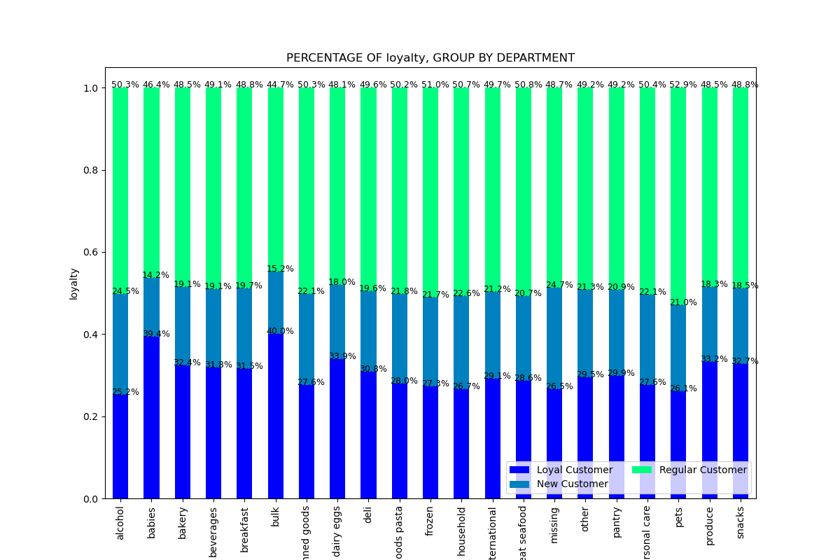
5.b Are there differences in ordering habits based on a customer’s loyalty status?

 |  |  | The distribution here shows the ordering habits based on customer's loyalty status.
 |  |  | The ordering habits across all departments remain remarkably consistent for the three distinct types of customers.
 |  |  | To illustrate, let's examine the ordering habits within the Produce Department, where regular customers account for 48.5% of the total orders, new customers contribute 18.3%, and loyal customers make up 33.2%.

5.c Are there differences in ordering habits based on a customer’s region?

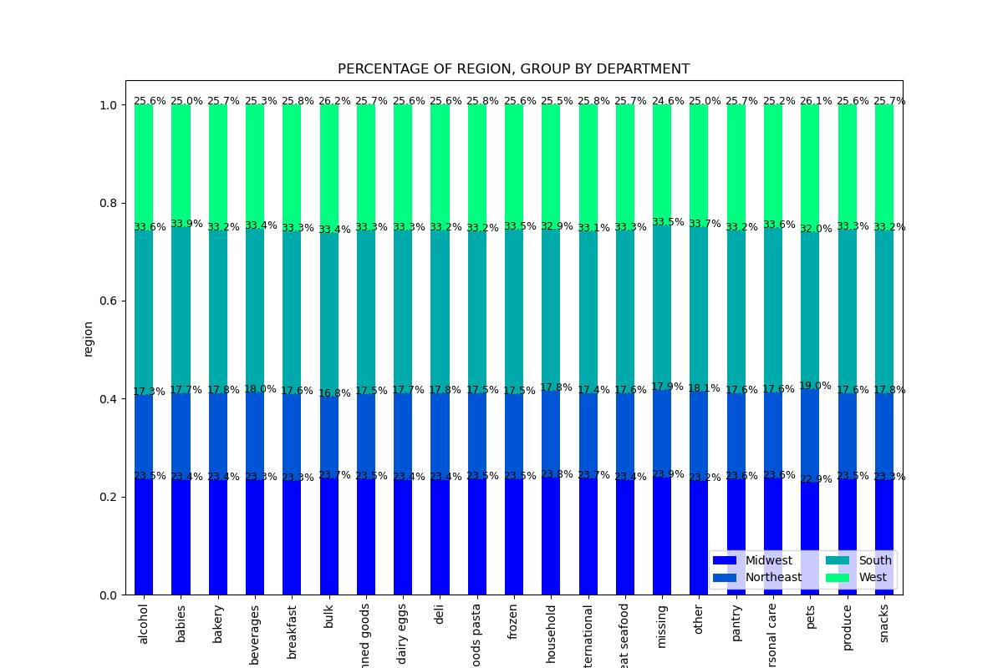

 |  | The distribution here shows the ordering habits based on customer's regions
 |  | The ordering habits across all departments remain remarkably consistent for the four different regions.
 |  | South region represents the highest number of orders.


5.d Is there a connection between age and family status in terms of ordering habits?
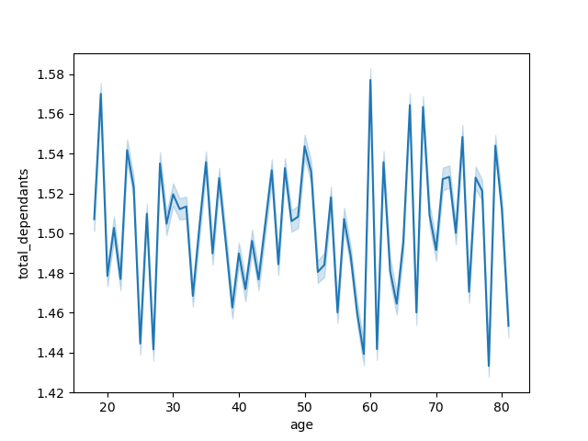

 |  |  | Line chart here shows the relationship between customer's age and its dependents.
 |  |  | The line chart has an irregular pattern between Customer's age and total dependents.
 |  |  | So, there is little to no relationship exist between these two fields.

 |  |  | This scatterplot on the right side shows the relationship between customer age and income.
 |  |  | It shows majority of people of all age groups earns 200k.Few people of age group 20-40
 |  |  | earns upto 400k per year. People older than 40 years make upto 600k.
 |  |  | Although this graphic is not related to ordering habits, it can help us target
 |  |  | a possible age group which has high spending power

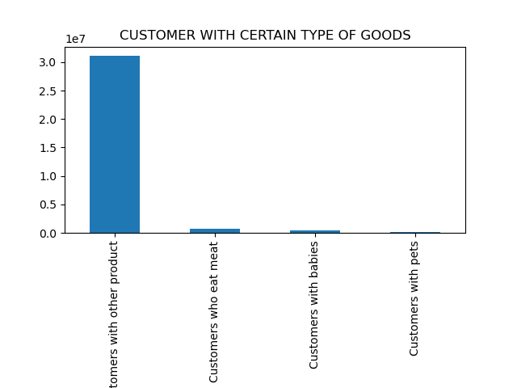
5.e What different classifications does the demographic information suggest? Age? Income? Certain types of goods? Family status?
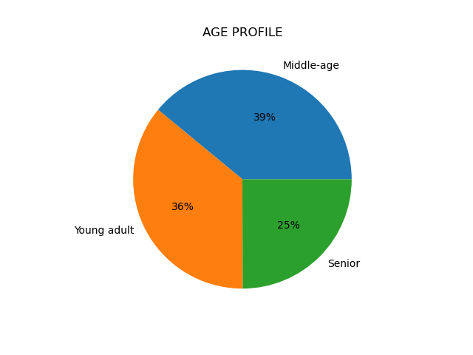
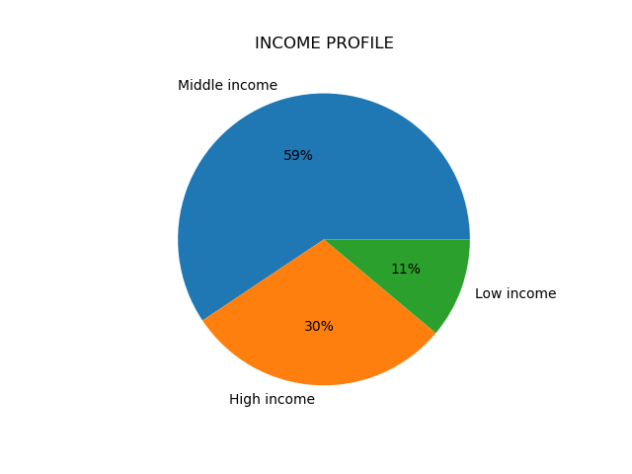
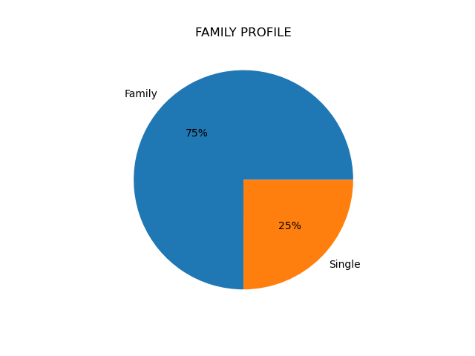

 | The pie-chart here shows the customers of different age category. |  | In the above chart, Middle income customers represent |  |  | It is easily visible in the above plot that
 | Middle age customers represent the highest purchase followed by |  | the highest purchase (59%) with low income customers |  |  | 75% customers are family and 25% are single.
 | Young adult and senior. However, there is no significant |  | only 11%. |  |  |  | There are only 2% percent customers who orders non veg food.
 | difference of purchase in different age category. |  |  |  |  |  | And customers with babies and pets are less than 2%
 |  |  |  |  |  |  | 96% of the customers are those who orders from other department like produce, frozen, personal care, breakfast etc..

5.f What differences can you find in ordering habits of different customer profiles?
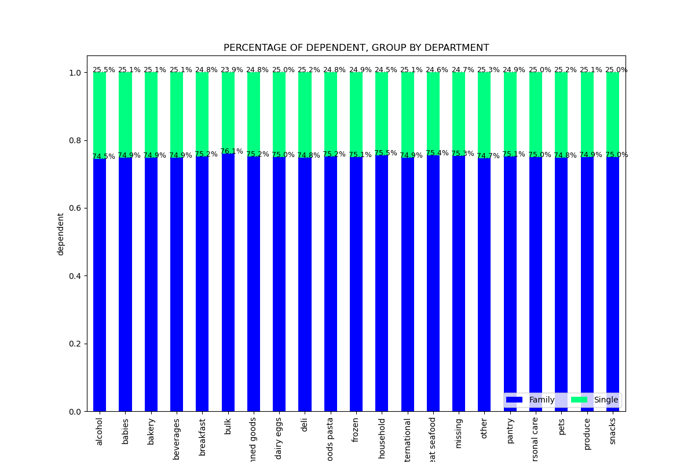
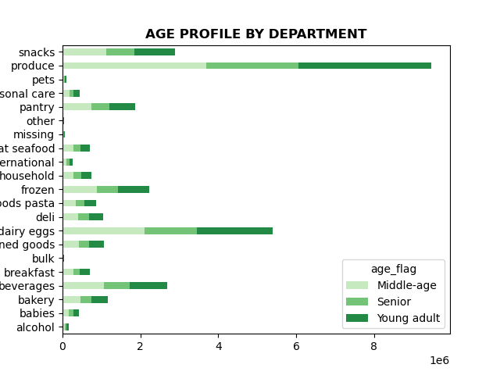
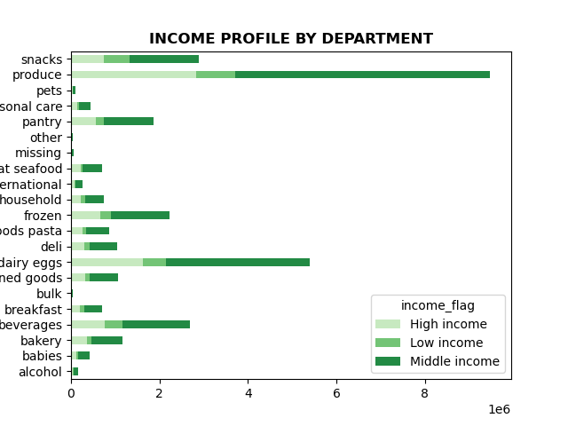

Produce is the highest department of all age group.
Middle income customers purchases the most products like produce, daily eggs.
Despite of the fact that family orders more as compared to single, the ordering habits of single and family remains almost same in all departments.

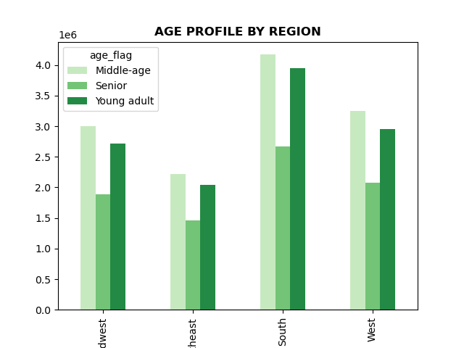
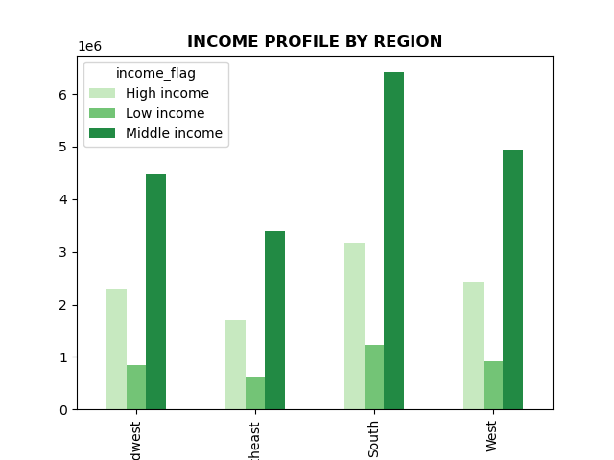
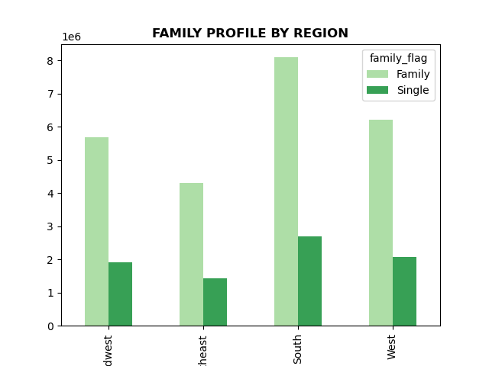

 | Middle age customers are highest in all region followed by young adult.
 | Middle income customers are highest in all region followed by Senior.
 | And family contributes the most in all region

7. Recommendations
 |  | Title page

Recommendations
Recommendations

In this tab you should include any recommendations you would made to Instcart in terms of their marketing strategy based on the questions posed in the brief. Every key question has been covered in the Tasks of the Exercises - here you need to add an item - a visualisation or table/crosstable that is showing the answer in the data, acompanied by a comment from you. Please, list the questions below and add the answer underneath.

1. What are the busiest days of the week and busiest hours of the day??
A:Saturday, Sunday and Friday are the busiest days of the week and fewest orders are placed on Wednesday and Tuesday. The busiest time of the day is between 9 to 17. And the slowest time of the day is during early morning time.
Recommendations: To increase revenue, schedule ads on Wednesday and Tuesday after 15, as sales begins to decrease after 15 upto morning 6.

2. Are there particular times of the day when people spend the most money?
A: There is a difference of peak hour at 4 am and 10 am when people spend little money. Although the difference is only 1% of price.
Recommendations: Instacart should place more ads for high-priced products in the early morning hours from 4 am until 7 am.

3. Instacart has a lot of products with different price tags. Marketing and sales want to use simpler price range groupings to help direct their efforts.
A: Prices less than and equal to 15 and greater than 5 are 'Mid range product'.
 | >17 = 'High_range_product'
 | <= 17) & >=8) ] = 'Mid_range_product'
54% products falls under low range product.45% fall under mid range produc t And only 1% percent are products which falls under high range product. | <8= 'Low_range_product'

4. Are there certain type of products that are popular than others?
A: produce,dairy eggs and snacks are among top three and contributes to 51% to the sales. On the contrary, alcohol, pets, other and bulk are least five departments which contributes to only 1% to the sales.
Recommendations: Instacart could either advertise the top three products which are already pretty well ordered or look after the reason behind the least popular departments and put the advertising effort to increase the sale.

5.a What’s the distribution among users in regards to their brand loyalty (i.e., how often do they return to Instacart)?
A:Regular customers make 49% of all customers and new customers make 19% of all customers.
Regular customers have placed between 11 and 40 orders.
Loyal customers have placed more than 40.
New customer have placed upto 10 orders.
Recommendations: To increase customer's loyalty, Instacart should consider implementing rewards programs that offer discounts on purchases up to a certain amount, as well as providing incentives for regular customers to recommend new customers to the platform.

5.b,c Are there differences in ordering habits based on a customer’s loyalty status and regions?
A: In terms of loyalty status, regular customers orders the most as compared to new and loyal customers. Whereas south region has majority of orders.
Recommendations:Implementing targeted advertising strategies for re-ordering common items, such as personal care products or babies, would effectively boost order frequency and foster customer loyalty.
The South's consistent category leadership, I suggest identifying the underlying factors contributing to their success, such as promoting baby-related items, and applying this effective strategy through targeted advertising in other regions, beginning with the Northeast.

5.d Is there a connection between age and family status in terms of ordering habits?
A: The chart has an irregular pattern between Customer's age andfamily status. There is little to no relationship exist between these two fields
While not directly correlated with ordering habits, it is worth noting that individuals above the age of 40 tend to have higher incomes, with a significant proportion earning between 200k and 300k annually, and some even reaching up to 600k per year. This demographic's substantial purchasing power makes them a valuable target for our marketing efforts.
Recommendations: Instacart should conduct further exploration into the customer segment aged over 40, considering their significant spending power, and tailor their advertisements specifically to this group.

5.e What different classifications does the demographic information suggest? Age? Income? Certain types of goods? Family status?
A: Middle aged group represent the highest revenue followed by Young adult. Middle income represetnt 59% of the revenue. There are certain 75% customers with dependents.
Recommendations: It would be beneficial to advertise affordable products within specific departments such as produce, babies and pantry items to middle age group and families who generate significant revenue. Additionally ,targeting the low income profile customers with cost saving promortions would be crucial.

5.f What differences can you find in ordering habits of different customer profiles?
Recommendations: The ordering habits of different customer profile by department is similar to the above demographics. So, the recommendation will be similar.
However, there is difference in ordering habits of customer profile per region. South region is among top in all age,income and family demographics. steps should be taken to know the reason behind it . And accordingly shoulb be implementd.

Overall, Instacart should prioritize enhancing departments with lower sales, such as pets, babies, and frozen items. This can be achieved by offering attractive discounts specifically targeted at new customers and younger demographics to expand the customer base. Simultaneously,
middle-aged customers, middle-income earners, and families, informing them about new product launches and recommending items based on their previous orders. Utilizing email campaigns or targeted ads will effectively reach these customer segments and increase engagement and sales.

